WAGES 30-09-2021
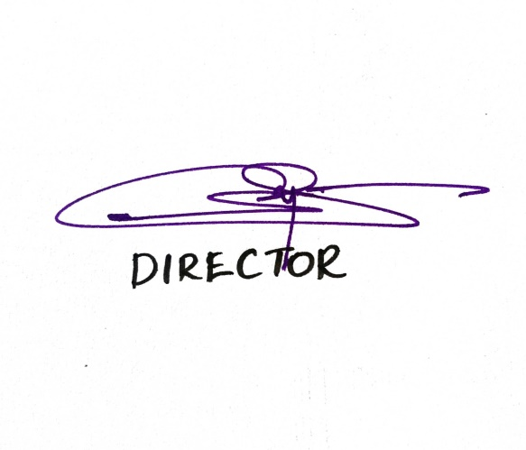
Labour Wage Rates for the Quarter ending on 30-09-2021
Sl No. | Category of Worker | KSD | KNR | WYD | KZH | MLP | PKD | TSR | EKM | IDK | KTM | ALP | PTM | KLM | TVM | State Avg
1 | Mason I Class | 1000.00 | 1100.00 | 1100.00 | 1000.00 | 1150.00 | 900.00 | 1100.00 | 1100.00 | 1100.00 | 1000.00 | 1100.00 | 1000.00 | 1000.00 | 1100.00 | 1053.57
2 | Mason II Class | 850.00 | 1000.00 | 850.00 | 900.00 | 1000.00 | 750.00 | 1000.00 | 950.00 | 950.00 | 950.00 | 1000.00 | 900.00 | 900.00 | 1000.00 | 928.57
3 | Carpenter I Class | 1000.00 | 1100.00 | 1100.00 | 1000.00 | 1150.00 | 900.00 | 1000.00 | 1000.00 | 1000.00 | 1000.00 | 1100.00 | 1000.00 | 1000.00 | 1200.00 | 1039.29
4 | Carpenter II Class | 900.00 | 900.00 | 850.00 | 900.00 | 1000.00 | 800.00 | 900.00 | 850.00 | 900.00 | 950.00 | 1100.00 | 950.00 | 1000.00 | 1050.00 | 932.14
5 | Plumber Class I | 1000.00 | 1000.00 | 950.00 | 1000.00 | 1150.00 | 800.00 | 900.00 | 1100.00 | 900.00 | 900.00 | 1000.00 | 800.00 | 1000.00 | 1200.00 | 978.57
6 | Plumber Class II | 800.00 | 800.00 | 850.00 | 900.00 | 950.00 | 650.00 | 800.00 | 900.00 | 800.00 | 850.00 | 900.00 | 750.00 | 900.00 | 1050.00 | 850.00
7 | Wire Man | 1000.00 | 1000.00 | 900.00 | 1000.00 | 1100.00 | 800.00 | 900.00 | 950.00 | 900.00 | 900.00 | 1100.00 | 800.00 | 1000.00 | 1100.00 | 960.71
8 | Wire Man - Assistant | 800.00 | 800.00 | 750.00 | 900.00 | 900.00 | 700.00 | 800.00 | 800.00 | 850.00 | 850.00 | 900.00 | 700.00 | 850.00 | 1000.00 | 828.57
9 | Unskilled Workers - Men | 700.00 | 850.00 | 650.00 | 900.00 | 900.00 | 650.00 | 800.00 | 850.00 | 700.00 | 800.00 | 900.00 | 750.00 | 850.00 | 900.00 | 800.00
10 | Unskilled Workers - Women | 600.00 | 750.00 | 550.00 | 700.00 | 850.00 | 450.00 | 750.00 | 750.00 | 600.00 | 750.00 | 850.00 | 550.00 | 700.00 | 900.00 | 696.43

